Sheet1
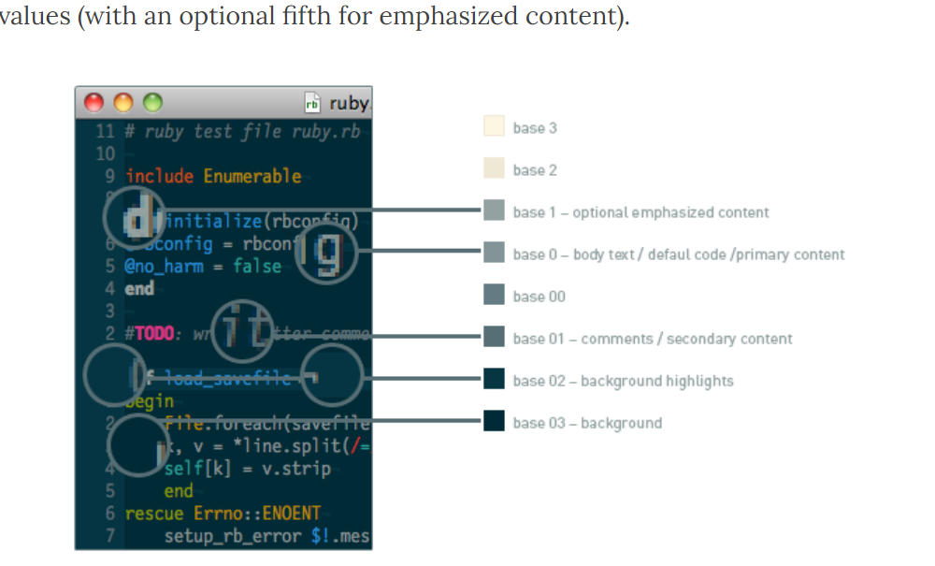
SOLARIZED | HEX | TERMCOL | XTE
base03 | #002b36 | brblack | 234
base02 | #073642 | black | 235
base01 | #586e75 | brgreen | 240
base00 | #657b83 | bryellow | 241
base0 | #839496 | brblue | 244
base1 | #93a1a1 | brcyan | 245
base2 | #eee8d5 | white | 254
base3 | #fdf6e3 | brwhite | 230
yellow | #b58900 | yellow | 136
orange | #cb4b16 | brred | 166
red | #dc322f | red | 160
magenta | #d33682 | magenta | 125
violet | #6c71c4 | brmagenta | 61
blue | #268bd2 | blue | 33
cyan | #2aa198 | cyan | 37
green | #859900 | green | 64
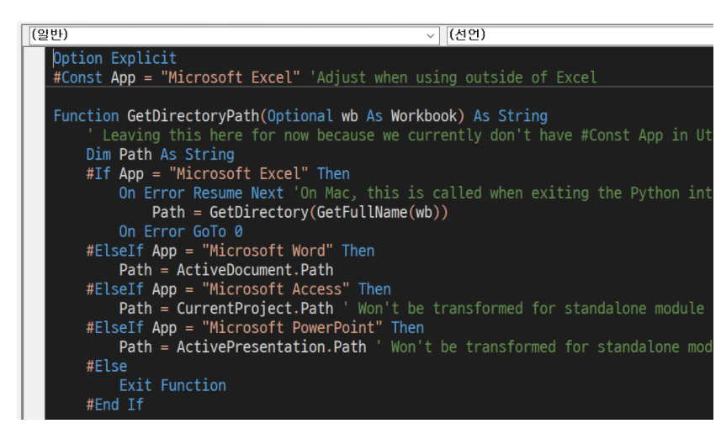

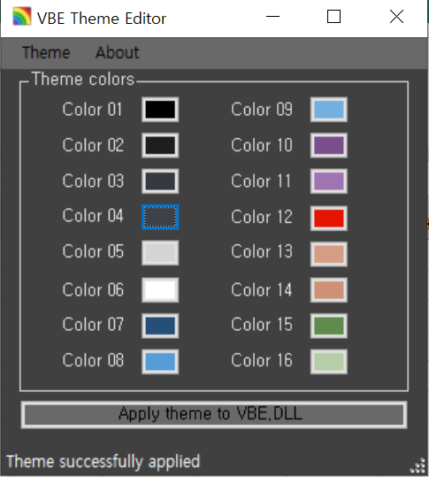

 |  |  |  | [변경전]
 |  |  |  | CodeBackColors: 4 0 0 7 6 4 4 4 4 4 0 0 0 0 0 0
 |  |  |  | CodeForeColors: 1 0 5 0 1 2 7 11 10 13 0 0 0 0 0 0

 |  |  |  | [변경후]
 |  |  |  | CodeBackColors: 2 7 1 13 15 2 2 2 11 9 0 0 0 0 0 0
 |  |  |  | CodeForeColors: 13 5 12 1 6 15 8 5 1 1 0 0 0 0 0 0

